Bug report
Bug Id | Module Name | Build No | Description | TCID | Steps to replicate bug | Screenshot | Severity | Priority | Reported by | Assigned to | resolution by | Status | Fixed Dates
ORANGEHRM_001 | Orange HRM Myinfo | 1 | Dashboard is displayed after login is successful instead of myinfo page | Tc_Myinfo_001 | 1.Launch browser | 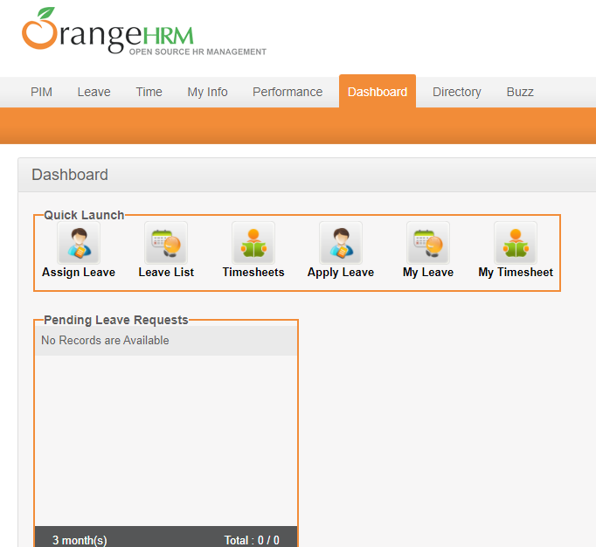 | S3 | P3 | pavon | jhon | accepted | Inprogress
 |  |  |  |  | 2.Open url ESS
 |  |  |  |  | 3.Provide valid ESS user name
 |  |  |  |  | 4.Provide valid password
 |  |  |  |  | 5.Click on login button
ORANGEHRM_002 | Orange HRM Myinfo | 1 | The invited file format error message for invalid photographs is appearing after the upload is complete | Tc_Myinfo_002 | 1.Login to OrangeHRM as ESS user | 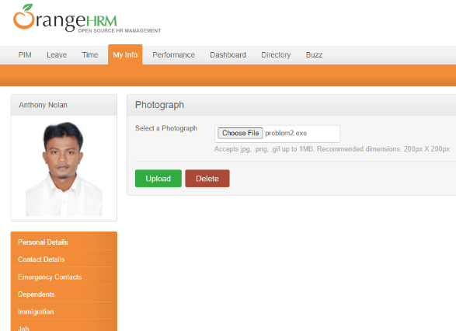 | S3 | P3 | pavon | jhon | accepted | Open
 |  |  |  |  | 2.Click on myinfo tab
 |  |  |  |  | 3.click at the photo at corner of the screen
 |  |  |  |  | 4.click browse and select a photograph from the relevant path
 |  |  |  |  | 5.click upload once you have selected the picture

